Account Opening Form
 |  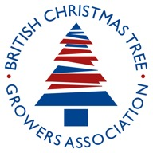
BUSINESS NAME
TRADING NAME
BUSINESS DELIVERY ADDRESS (INC POSTCODE)
BUSINESS TRADING ADDRESS
LENGTH OF TIME AT ADDRESS (S)
COMPANY REGISTRATION NUMBER
VAT NUMBER
CONTACT NAME
PHONE NUMBER
MOBILE NUMBER
EMAIL ADDRESS
WEBSITE ADDRESS
DETAILS OF PROPRIETORS, PARTNERS, DIRECTORS (NAME, ADDRESS)
BANK REFERENCE (ACCOUNT NAME, SORT CODE, ACCOUNT NUMBER, BANK ADDRESS)
TRADE REFERENCE 1 (INC NAME, ADDRESS, PHONE NUMBER, EMAIL ADDRESS)
TRADE REFERENCE 2 (INC NAME, ADDRESS, PHONE NUMBER, EMAIL ADDRESS)
TRADE REFERENCE 3 (INC NAME, ADDRESS, PHONE NUMBER, EMAIL ADDRESS)
THE BELOW IS TO BE COMPLETED BY AN AUTHORISED SIGNATORY FOR THE BUSINESS BANK ACCOUNT. BY COMPLETING AND SIGNING THIS FORM, YOU CONSENT TO THE ABOVE BANK REFERENCE PROVIDING PREMIUM CHRISTMAS TREES LIMITED WITH A BANK REFERENCE ON THIS AND ANY SUBSEQUENT OCCASIONS AS REQUIRED. WE WILL ENDEAVOUR TO COMPLETE OUR ENQUIRIES AS SOON AS POSSIBLE, AND WILL PROVIDE WRITTEN CONFIRMATION OF ACCEPTANCE FOR A MAXIMUM OF 30 DAYS CREDIT.
COMPLETED BY
PRINT NAME
DATE

CUT TREES
Haulage is a large compenent of the prices this year. Please let us know your requirements and we can produce a bespoke price based on exact transport costs. It will likely be cheaper than the price list.
CUT TREES
TREE TYPE | TREE SIZE | PALLET QUANTITY | PALLET PRICE | QTY | AMOUNT
PREMIUM NORDMAN FIR | 100-125cm | 150 | £11.95 |  | £0.00
PREMIUM NORDMAN FIR | 125-150cm | 130 | £15.50 |  | £0.00
PREMIUM NORDMAN FIR | 150-175cm | 110 | £19.50 |  | £0.00
PREMIUM NORDMAN FIR | 175-200cm | 90 | £24.95 |  | £0.00
PREMIUM NORDMAN FIR | 200-240cm | 60 | £33.50 |  | £0.00
PREMIUM NORDMAN FIR | 240-270cm | 40 | £48.50 |  | £0.00
PREMIUM NORDMAN FIR | 270-300cm | 30 | £54.95 |  | £0.00

TREE TYPE | TREE SIZE | PALLET QTY | PALLET PRICE | QTY | AMOUNT
PREMIUM NORDMAN SLIMLINE | 125-150cm | 130 | £15.50 |  | £0.00
PREMIUM NORDMAN SLIMLINE | 150-175cm | 110 | £19.50 |  | £0.00
PREMIUM NORDMAN SLIMLINE | 175-200cm | 90 | £24.95 |  | £0.00
PREMIUM NORDMAN SLIMLINE | 200-240cm | 70 | £33.50 |  | £0.00

TREE TYPE | TREE SIZE | PALLET QTY | PALLET PRICE | QTY | AMOUNT
TRADITIONAL NORDMAN | 125-150cm | 130 | £12.95 |  | £0.00
TRADITIONAL NORDMAN | 150-175cm | 110 | £14.50 |  | £0.00
TRADITIONAL NORDMAN | 175-200cm | 90 | £18.50 |  | £0.00
TRADITIONAL NORDMAN | 200-240cm | 70 | £22.95 |  | £0.00
TRADITIONAL NORDMAN | 240-270cm | 40 | £28.95 |  | £0.00

TREE TYPE | TREE SIZE | PALLET QTY | PALLET PRICE | QTY | AMOUNT
SOPHIE'S FAVOURITE NORDMAN | 150-175cm | 110 | £16.25 |  | £0.00
SOPHIE'S FAVOURITE NORDMAN | 175-200cm | 90 | £19.95 |  | £0.00
SOPHIE'S FAVOURITE NORDMAN | 200-240cm | 60 | £24.95 |  | £0.00

TREE TYPE | TREE SIZE | PALLET QTY | PALLET PRICE | QTY | AMOUNT
PICK AND MIX NORDMANN - PROMO | 175-240cm | 90 | £12.95 |  | £0.00

TREE TYPE | TREE SIZE | PALLET QTY | PALLET PRICE | QTY | AMOUNT
NORDMAN SLIMLINE MIX | 175-240cm | 90 | £14.95 |  | £0.00

TREE TYPE | TREE SIZE | PALLET QTY | PALLET PRICE | QTY | AMOUNT
SILVER FIR | 100-150cm | 100 | £12.95 |  | £0.00
SILVER FIR | 150-175cm | 85 | £18.50 |  | £0.00
SILVER FIR | 175-200cm | 75 | £22.95 |  | £0.00
SILVER FIR | 200-240cm | 60 | £28.95 |  | £0.00

TREE TYPE | TREE SIZE | PALLET QTY | PALLET PRICE | QTY | AMOUNT
PREMIUM FRASER FIR | 150-180cm | 120 | £19.95 |  | £0.00
PREMIUM FRASER FIR | 180-210cm | 90 | £23.95 |  | £0.00
PREMIUM FRASER FIR | 210-240cm | 60 | £31.95 |  | £0.00
PREMIUM FRASER FIR | 240-270cm | 40 | £44.95 |  | £0.00

TREE TYPE | TREE SIZE | PALLET QTY | PALLET PRICE | QTY | AMOUNT
PINE | 150-180cm | 110 | £15.95 |  | £0.00
PINE | 180-210cm | 80 | £18.95 |  | £0.00
PINE | 210-240cm | 60 | £21.50 |  | £0.00
PINE | 240-270cm | 40 | £25.95 |  | £0.00

TREE TYPE | TREE SIZE | PALLET QTY | PALLET PRICE | QTY | AMOUNT
NORWAY SPRUCE | 100-125cm | 150 | £9.95 |  | £0.00
NORWAY SPRUCE | 125-150cm | 140 | £10.95 |  | £0.00
NORWAY SPRUCE | 150-175cm | 120 | £12.95 |  | £0.00
NORWAY SPRUCE | 175-200cm | 100 | £13.95 |  | £0.00
NORWAY SPRUCE | 200-240cm | 70 | £18.95 |  | £0.00
NORWAY SPRUCE | 240-270cm | 40 | £29.95 |  | £0.00

TREE TYPE | TREE SIZE | PALLET QTY | PALLET PRICE | QTY | AMOUNT
SHOP FRONT TREES - NORWAY SPRUCE | 100-150cm | 100 | £9.50 |  | £0.00

 |  |  |  | Total Units (Trees) | 0
 |  |  |  | Total | £0.00
 |  |  |  | VAT | £0.00
 |  |  |  | Grand Total | £0.00

. Prices Subject to VAT, Availability and Delivery
. Free delivery subject to minimum order of one full pallet
. Cut trees measured from tree base to half way up leader
. Pot grown trees measured from the bottom of the pot to the tip of the tree
. All orders subject to standard terms and conditions, plus order confirmation
. Prices valid until July 31st 2023
. Volume discount on request for large orders
. Mix pallet price is valid when mixing one or more tree type/size on one pallet

 |  |  | 0

WREATHS & FOLIAGE
WREATHS, GARLANDS & FOLIAGE

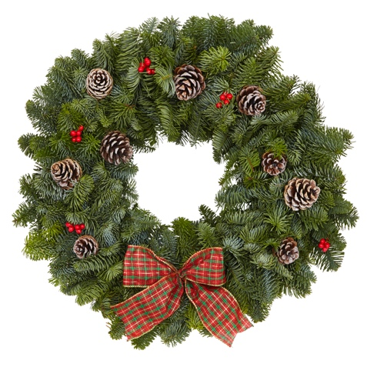
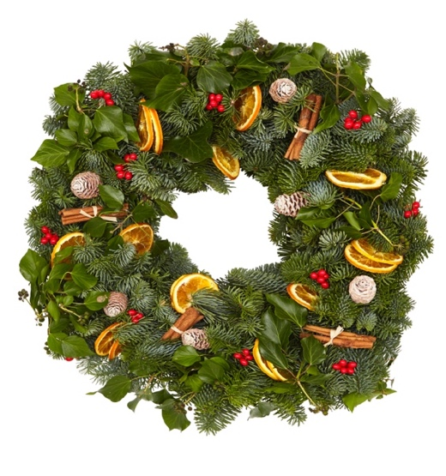
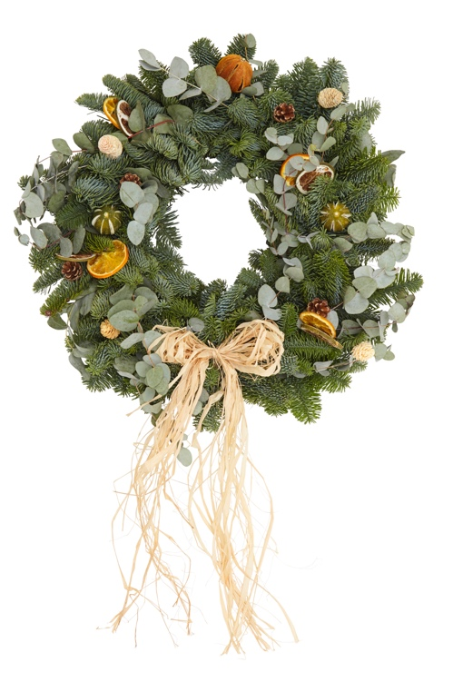
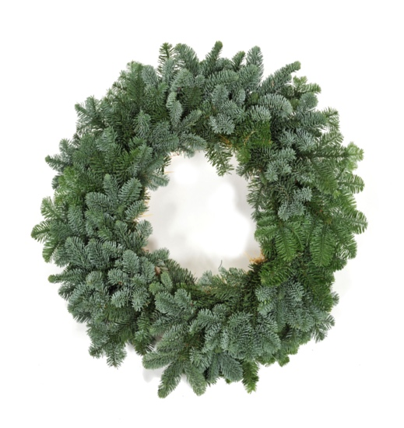

RED WREATH
(8inch ring, appox 35cm total diameter)
TARTAN WREATH
(10inch ring, appox 40cm total diameter)
SLOANE WREATH
(12inch ring, appox 45cm total diameter)
CITRUS WREATH
(12inch ring, appox 45cm total diameter)
PLAIN WREATH

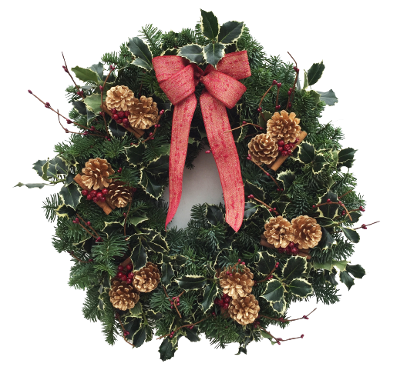
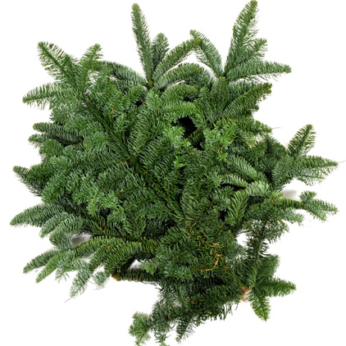
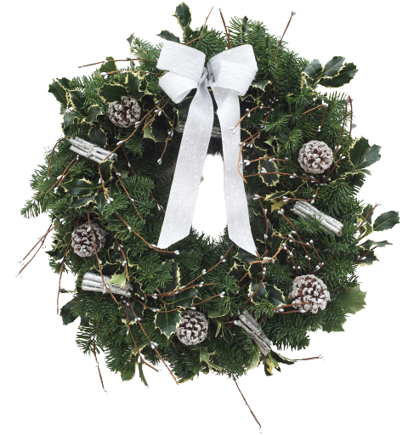

LUXURY RUSKIN WREATH
(12inch ring, appox 45cm total diameter)
5KG NOBLE FIR FOLIAGE BUNDLES
LUXURY SNOW WREATH
(12inch ring, appox 45cm total diameter)

WREATHS | TROLLEY 1 VARIETY | TROLLEY 2 PLAIN | TROLLEY 3 VALUE | TROLLEY 4 EVERYTHING | TROLLEY 5 LUXURY | BESPOKE QTY | UNIT PRICE | AMOUNT
LUXURY RUSKIN WREATH | 2 | 0 | 0 | 2 | 12 |  | £29.95 | £0.00
LUXURY SNOW WREATH | 0 | 0 | 0 | 2 | 12 |  | £29.95 | £0.00
RED WREATH | 10 | 0 | 15 | 9 | 0 |  | £13.50 | £0.00
TARTAN WREATH | 10 | 0 | 18 | 9 | 0 |  | £15.40 | £0.00
SLOANE WREATH | 8 | 0 | 0 | 9 | 6 |  | £25.00 | £0.00
CITRUS WREATH | 8 | 0 | 7 | 9 | 4 |  | £22.50 | £0.00
PLAIN WREATH 30cm | 4 | 20 | 2 | 3 | 0 |  | £7.75 | £0.00
PLAIN WREATH 40cm | 4 | 30 | 2 | 3 | 0 |  | £8.90 | £0.00
PLAIN WREATH 50cm | 2 | 15 | 0 | 3 | 6 |  | £11.25 | £0.00
PLAIN WREATH 55cm | 0 | 5 | 0 | 3 | 8 |  | £12.50 | £0.00

TOTAL WREATHS/TROLLEY | 48 | 70 | 44 | 52 | 48 | 0 |  | NA
TROLLEY PRICE | £818.00 | £653.25 | £670.50 | £928.60 | £1,126.30 | £0.00 |  | NA
TROLLEY ORDER |  |  |  |  |  |  |  | NA
AMOUNT | £0.00 | £0.00 | £0.00 | £0.00 | £0.00 |  | TOTAL TROLLEY COST | £0.00

FOLIAGE | 20 UNITS | 20-50 UNITS | 50 UNITS + |  |  | QTY | AGREED PRICE | AMOUNT
NOBLE FIR GARLAND - 1 metre | £15.00 | £14.50 | £13.50 |  |  |  |  | £0.00
NOBLE FIR GARLAND - 2 metre | £22.00 | £21.50 | £20.50 |  |  |  |  | £0.00
NOBLE FIR GARLAND - 3 metre | £31.00 | £30.50 | £29.50 |  |  |  |  | £0.00
NOBLE FIR GARLAND - 5 metre | £55.00 | £54.00 | £53.00 |  |  |  |  | £0.00

FOLIAGE | 25 BUNDLES | 40 BUNDLES | 100 BUNDLES | 240 BUNDLES |  | QTY | AGREED PRICE | AMOUNT
NOBLE FIR FOLIAGE BUNDLE 5KG | £9.95 | £8.95 | £8.50 | £7.25 |  |  |  | £0.00

Prices subject to VAT & Availability
Delivery free for wreath/foliage orders over £600 |  |  |  |  |  | Total |  | £0.00
Prices valid until July 31st 2023 |  |  |  |  |  | VAT | 20% | £0.00
 |  |  |  |  |  | Grand Total |  | £0.00

Ts & Cs
